Sheet1
ID | Description | Steps | Expected | Actual | Result | Comment

1 | Customer code percentage was not working | SubCodeDis = (SubscriptionCost * (DiscountC.charAt(DiscountC.length() - 1) / 100)); the variable SubCodeDis was printing 0 | SubCodeDis to return the discounted sub cost | result was zero | 0
2 | the formatting of the summary output | my steps simply included adding spaces and \t's to creat the right format output that the customer wanted | correcly formatted output | wrong output and retesting | correctly outputted formatting
3 | i had originally planned to do switch statments to control user input | steps including adding switch statments for the input and then adding a default value. then retrying. | i expected the user input validation to be correct | the code worked and asked for reentry on code. but the code in the summary output was outputting the the first input data from user, not the new retry of the user. | this resulted in me changing my approach and opting for if else statements | i spent a long time trying to fix the actual result of this code and could not get it to work. and so i opted for using while, try and if else statements.
4 | when calculating the discount of the code, netbeans understood the last char of the string code value to be a char instead of an int | to solve this issue, i wanted to create a variable to store this char as an int. i did this using the ASCII table and adding 0 to the char. | i expected a discount to be added to the subcost | the code did not calculate subscription cost until i added - '0' at the end of int dis = DiscountC.charAt(DiscountC.length() - 1) | the code now works and calculates discount. | i used lots of print statments to test which parts were calculating what and i figured out that the original string of the code was just that, a string, or an array of characters with the last character being the number i wanted, i needed to turn it into an int using the ASCII tale.
5 | Small bug in the code where i did not set a user to be able to choose gold option since i had two of them set to S | just a small error that i got in my code. i foudn when i typed a gold sub it would return null in the summary output, so i changed this to G. | Gold sub to be printing Gold at the summary sub | Gold sub was printing as null | i changed the S to G now and the gold sub can now be inputted
6 | in the summary of the subs for a selceted month, there were many times a certain variable was selected to the wrong month | to solve the issue i had to see which variables were not used, and this gave me a good understanding which variables needed to be changed | the correct output in the summary | wrong output in the summary | i changed the code so the right parameters where in the correct place
7 | bug in code, during task 4 if i type part of a name, it prints everyones name. | i know its something to do with the while loop, i think its printing everyones description | a single summary output | sumary output of everyones names | unresolved error | i spent a long time trying to fix this bug and i am not sure what is causing it. i get the error with my substring but im not sure how to find the date if i dont have this substring.

ID Number 4
 | 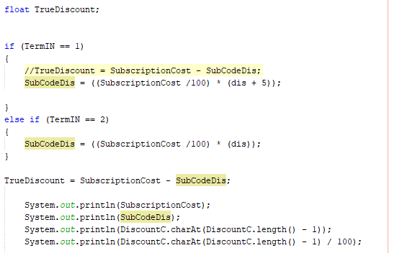

lots of print testing to see the values of SubCodeDis, SubscriptionCost and various testing to see what the problem was with my discount code String. The number at the end of the code had to be made into an int which i did using ASCII table.

ID Number 5

Small bug where i set S twice instead of G

ID Number 7
 | 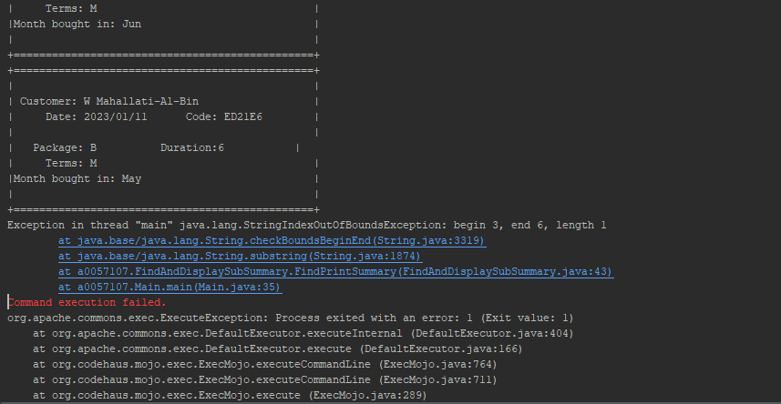 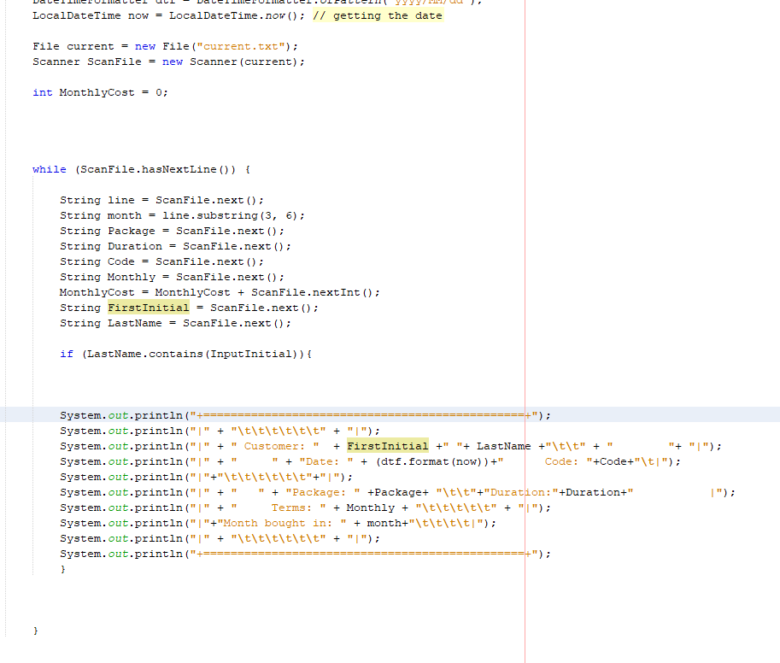

Unresolved fatalbug in code

